Policy and Other Requirements
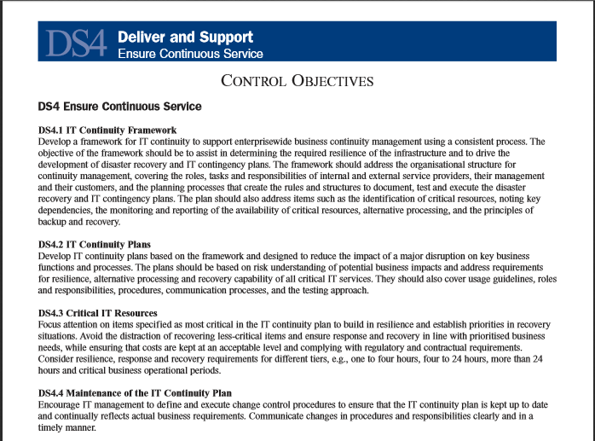
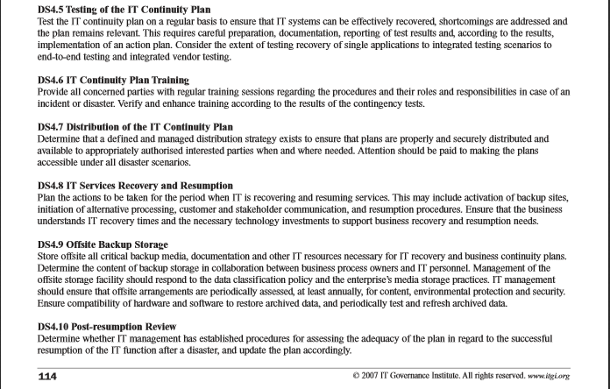
The language used here is taken directly from each policy. Not all of the text of each policy is included here - only the procedural sections which make some requirement of an IT unit. The numbering scheme in the left column is provided to help map items in the previous worksheet to specific parts of each policy. In some cases the numbering scheme matches the organization and numbering in the actual policy, and in some cases it does not.

 | Policy IT-07 Requirements

 | IT-07, section 1 | The university does not condone censorhip, routine inspection of electronic files, the monitoring of network activities related to individual use.
 | IT-07, section 2 | Stored electronic files and voice and data network communications may not be accessed by someone other than:
 | IT-07, section 2.1 | the person to whom the account in which the information has been stored is assigned; or
 | IT-07, section 2.2 | the person from whom the communication originated, or to whom the communication was sent; or
 | IT-07, section 2.3 | the person to whom the device containing the stored electronic files has been assigned;
 | IT-07, section 3 | A technician may access specific information technology resources and electronic information in certain circumstances.

 | IT-07, section 4 | All other requirements and actions outlined in policy IT-07, including notification, preservation of electronic information, access that does not require further authorizations, and other provisions.
 | Policy IT-12 Requirements
 | For a computer system to be managed securely, functional unit management must:
 | IT-12, section 1.1 | Fully understand the sensitivity of the function or operation being supported by the system and the data being stored and/or manipulated on the system.
 | IT-12, section 1.2 | Hire technicians with the expertise necessary to appropriately maintain the hardware, operating systems, systems software, programs and other associated components of the systems to which they are assigned.
 | IT-12, section 1.3 | Ensure that technicians understand their responsibilities and the consequences of poorly managed systems (compromise of local or other systems, damage to data or systems, disclosure of sensitive data, potential legal liability for the department and Indiana University, possible loss of Federal and other funding for the department and Indiana University, etc.).
 | IT-12, section 1.4 | Provide necessary initial and refresher training to technicians as hardware or software components are revised or added.
 | IT-12, section 1.5 | Ensure that assignments and job plans account for time required for systematic and periodic audit and maintenance of systems.
 | For a computer system to be managed securely, functional unit technicians must:
 | IT-12, section 2.1 | Fully understand the sensitivity of the function or operation being supported by the system and the data being stored and/or manipulated on the system.

 | IT-12, section 2.2 | Not choose operating systems that are known as being difficult to maintain and secure.
 | IT-12, section 2.3 | Use technical tools to take an image of any freshly installed operating systems in order to speed recovery in the case of a system compromise.
 | IT-12, section 2.4 | Remove or disable unneeded services and software, especially those that are network-accessible.

 | IT-12, section 2.5 | Log activities on the system:
 | IT-12, section 2.5.1 | 1. Successful user logins, including the location from which the logins originated,
 | IT-12, section 2.5.2 | 2. Unsuccessful login attempts, including the location from which the attempts originated,
 | IT-12, section 2.5.3 | 3. Unsuccessful file access attempts, and
 | IT12.2.5.4 | 4. Successful file accesses for files and databases containing sensitive information.
 | IT-12, section 2.6 | Disable or secure remote access from system-to-system (e.g., rlogin).
 | IT-12, section 2.7 | Proactively seek out and apply vendor-supplied fixes necessary to repair security vulnerabilities, within a timeframe commensurate with the level of risk (i.e., within 24 hours for high-risk, with 48 hours for medium-risk, and within 72 hours for low-risk).
 | IT-12, section 2.8 | Encrypt stored sensitive data where possible to minimize disclosure if the system is compromised.
 | IT-12, section 2.9 | Encrypt sensitive data being transmitted to-and-from the system where possible to ensure the data is protected in transit.
 | IT-12, section 2.10 | Deploy encrypted communications methods (e.g., Secure Shell) for user access to the system and for access via privileged accounts (e.g., "root") from other than the console.
 | IT-12, section 2.11 | Technically limit access to local network addresses where possible (e.g., TCPWrappers) given the function or process being supported.
 | IT-12, section 2.12 | Scan computers for security vulnerabilities using available technical tools:
 | IT-12, section 2.12.1 | 1. regularly, at least every 30 days to ensure new vulnerabilities are identified promptly,
 | IT-12, section 2.12.2 | 2. immediately after installation/configuration of a new system is completed,
 | IT-12, section 2.12.3 | 3. immediately after introduction of a new operating system or an upgrade to a current operating system, and
 | IT-12, section 2.12.4 | 4. immediately after installation or upgrade of networking or other system software.
 | IT-12, section 2.13 | Install and maintain anti-virus software on operating systems for which Indiana University has licensed such software, and maintain current virus pattern files.
 | IT-12, section 2.14 | Subscribe to vendor and other advisory services applicable to the operating environment being maintained.
 | IT-12, section 2.15 | Periodically visit the web site of the UISO to view current bulletins or to obtain recent security guides and other related material.
 | IT-12, section 2.16 | Provide access to only those persons who are otherwise eligible to use Indiana University technology resources, and require all users be identified and authenticated before access is allowed.
 | IT-12, section 2.17 | Limit access to needed services to only authorized persons.
 | IT-12, section 2.18 | Use different passwords for privileged accounts ("root", for example) on various systems being maintained by the same technician(s).
 | IT-12, section 2.19 | Perform day-to-day work as a non-privileged user and only use privileged accounts for tasks that require additional capabilities.
 | IT-12, section 2.20 | Ensure that all accounts require a password, and if technically possible, that there are automatic routines (dictionaries, pattern enforcers, etc.) that force the user to choose a good password initially and each time the password expires.
 | IT-12, section 2.21 | Implement a system such that all re-usable passwords are not sent over the network in clear-text, where technically possible.
 | IT-12, section 2.22 | Securely remove data from media once that data and/or device is no longer required, in order to prevent unauthorized disclosure of the data.

 | Intrusion attempts, security breaches, etc., must be reported. Functional unit mangers and/or technicians must:
 | IT-12, section 3.1 | Report any successful security breaches in order to obtain assistance, advice, or (minimally) for file in the central incident database.

 | IT-12, section 3.2 | Report any systematic unsuccessful attempts (e.g., login attempts, .probes. or .scans.).
 | IT-12, section 3.3 | Where feasible given the circumstances, reports should be sent as soon as the situation is detected; minimally the report should be sent as soon as possible thereafter.
 | Policy Standard IT-12.1 Requirements
 | IT-12.1, section 1 | All mobile devices used by faculty, staff, affiliates, or student-employees to access, store, or manipulate institutional data must:
 | IT-12.1, section 2a | have appropriate safeguards applied to mitigate the risk of information exposure due to loss or theft. These safeguards may be verified at the university's discretion and promoted via technical means.
 | IT-12.1, section 2a.1 | Handheld mobile devices: Required – minimum 4-character passcode using at least 2 unique characters, and auto lock after a maximum of 15 minutes of inactivity; Required - Lockout or wipe after 10 incorrect attempts, OR increasing delay after incorrect attempts; and encryption is Recommended in all cases if supported by the device, OR encryption is Required for all intended use involving critical information.
 | IT-12.1, section 2a.2 | Laptop/notebook computer: Required – Passphrase meeting IU requirements must be used when device boots, and auto lock after a maximum of 15 minutes of unattended inactivity; Required – lockout after 25 incorrect attempts within 2 hrs.; and Required - full disk encryption
 | IT-12.1, section 2b | be reported to it-incident@iu.edu if lost, stolen, or otherwise compromised.
 | IT-12.1, section 2c | be wiped before transferring ownership (e.g. sales or trade-ins).
 | IT-12.1, section 3 | Use of mobile devices to access, store, or manipulate critical information requires: Written approval from the senior executive of the unit involved or the Institutional Review Board confirming a critical business need, and Encrypting the information on the device and in transit.
 | Policy IT-28 Requirements
 | IT-28, section 1 | Within one year of the adoption of this policy, all IU administrative and auxiliary units; administrative uses in schools; and other such organizations that depend upon the IU information technology environment will perform an initial, comprehensive evaluation of their information technology needs relative to the requirements of this policy.
 | IT-28, section 1a | Determine what unit-level information technology systems and services are candidates for use of UITS or group-level information technology provider(s)
 | IT-28, section 1b | Develop a plan for policy compliance with target dates agreed to by the unit head or delegate
 | IT-28, section 1c | Prepare a formal risk assessment and risk mitigation plan to be discussed and approved jointly by the unit head and the CIO & Vice President for IT
 | IT-28, section 1d | Establish and maintain appropriate capacity and expertise for risk mitigation, IU policy compliance, and quality management of IT services that remain in an organizational unit
 | IT-28, section 1e | Identify any unit level information technology systems and services within an academic unit for teaching, research, and service that could be served by UITS services and those that are not practicable for use of UITS services
 | IT-28, section 2 | Formal reviews will be updated every two years
 | Policy Standard DM-01-S Requirements
 | DM-01-S, section 2.a | To the extent possible, data stewards will work together to define a single set of procedures for requesting permission to access institutional data, and will be jointly responsible for documenting these common data access request procedures.
 | DM-01-S, section 2.b | Access to institutional data that is consistent with the data's classification will be granted to all data users for all legitimate university purposes.
 | DM-01-S, section 2.c | Except as specified elsewhere in this standard, all institutional data will be classified as university-internal data for use within the university. University employees and designated appointees will have access to these data, without restriction or prior authorization, for use in the conduct of university business after compliance with appropriate request process (ex. assent to Institutional Data Acceptable use agreement, etc.). These data are designated university-internal. They are freely available within the university but not open to the general public.
 | DM-01-S, section 2.d | Where appropriate, data stewards may identify institutional data elements or views which have few access restrictions and which may be released to the general public. These data will be designated as public data.
 | DM-01-S, section 2.e | Where necessary, data stewards may specify some data elements as critical or restricted. Critical or restricted data would include those data for which data users must obtain individual authorization prior to access, or to which only limited access may be granted. Data classified as critical restricted may only be used by those whose positions explicitly require such access. Designation of data as critical or restricted will include specific reference to the policy, legal, ethical, or externally-imposed constraint which requires this restriction.
 | DM-01-S, section 2.f | Direct access to university file servers hosting critical or restricted institutional data must be blocked from non-IU network addresses. Individuals requiring access to files stored on these servers from off-campus must connect in a secure manner, such as through the university's modem pool or (preferably) the university virtual private network (VPN) service.
 | DM-01-S, section 2.g | A data view does not necessarily inherit the restriction characteristics of the data elements which comprise it. (For example, removal of any association with personally-identifying data elements can result in a view which contains otherwise restricted data elements being designated as public or university-internal.)
 | DM-01-S, section 2.h | The access privileges of users who change positions or separate from the university must be updated in a timely manner as appropriate.
 | DM-01-S, section 2.i | Each data steward will be individually responsible for documenting data access procedures that are unique to a specific information resource or set of data elements.
 | DM-01-S, section 9.a | The data steward, in consultation with other university offices as appropriate, is responsible for identifying an official data storage location for each data element, as well as an official data storage location of valid codes and values for each data element. The data steward will also determine archiving requirements and strategies for storing and preserving historical data for each data element.
 | DM-01-S, section 9.b | Institutional data may be stored on any of many diverse computing hardware platforms, provided such platforms are integrated components of an overall university information system.
 | DM-01-S, section 9.c | Data element names, formats, and codes must be consistent across all applications which use the data and consistent with such university standards as are developed.
 | DM-01-S, section 9.d | The University Information Policy Office will assist in determining data storage location and archiving requirements for institutional data.
 | DM-01-S, section 9.e | Critical or Restricted data must never be stored on individual user workstations, or mobile devices (i.e. laptops, smart phones, tablets, personal digital assistants, thumb drives, etc.) without prior formal written approval and appropriate technical safeguards (see IT-12 Policy, IT-12.1 Standard, and this document). This formal approval must come from the senior executive officer of the unit and confirm a critical business need for such storage. Critical or Restricted data must otherwise be stored on properly configured and managed, department or central servers.
 | DM-01-S, section 9.f | Departments are expected to identify, for their users, appropriate server locations for storage of data extracted from central sources or derived through department operations.
 | DM-01-S, section 9.g | Critical data must not be collected, or extracted from central systems and stored on departmental servers unless doing so is absolutely required to maintain the business functions of the office involved.
 | DM-01-S, section 9.h | So that standards for survey research and FERPA requirements for non-directory student records are met, all program evaluation and assessment data must be stored in such a way that responses are not associated with personally identifiable information (i.e. names, SSNs, etc.). Linkage files containing the association of protected data to individuals must be placed in different directories and with different naming conventions to obscure the connection, and must be permanently deleted when no longer needed
 | DM-01-S, section 9.i | A student may file a directory exclusion to prevent disclosure of public information. For this reason, student public information must not be stored on local servers unless updated daily.
 | DM-01-S, section 11.a | Institutional data must be maintained within professionally administrated systems in compliance with university policies and applicable regulations.
 | DM-01-S, section 11.b | If institutional data are stored on any component of the university information system, that system component must have defined a formal system administration function and have assigned to it a system administrator whose responsibilities include generally accepted system administration tasks including; physical site security; administration of security and authorization systems, backup, recovery, and system restart procedures, data archiving, capacity planning, and performance monitoring.
 | DM-01-S, section 11.c | If institutional data are stored on any component of the university information system, that system component must comply with specific management standards, as outlined in Policy IT-12 as well as any applicable sector-specific requirements (i.e. PCI-DSS, HIPAA, etc.). Web and other servers that must be accessible from off-campus must be physically or logically separated from servers hosting critical or restricted institutional data.
 | DM-01-S, section 11.d | System Administrators shall ensure that adequate administrative processes and proper security safeguards are in place and enforced.
 | DM-01-S, section 14.a | Data classification information and data handling procedures must be documented and communicated to all relevant audiences including: developers, data managers, local service providers, and users before access to institutional data is granted.
 | DM-01-S, section 14.b | Training to promote understanding and appropriate use of data before access to information is provided is strongly recommended. * Training may be based on data classification. * Training may be required based on role responsibilities. * Training may be required based on the impact of decisions made using the data.
 | DM-01-S, section 14.c | Training material should be reviewed and revised as appropriate.
 | DM-01-S, section 14.d | Periodic review and renewal of individual training is strongly recommended.
 | Policy DM-02 Requirements
 | DM-02, section 0 | Prior to disclosing institutional information, the agent is responsible for initiating and managing the process below to ensure that:
 | DM-02, section 0.1 | there is an adequate understanding of the third party’s security environment;
 | DM-02, section 0.2 | business needs, risks, and mitigating safeguards are analyzed and documented
 | DM-02, section 0.3 | institutional information is adequately protected
 | DM-02, section 1 | If the information to be shared is classified as public, the agent must:
 | DM-02, section 1.1 | For situations involving the provision of goods and services, seek advice from the appropriate Data Steward(s) and the Purchasing Department on relevant procedures.
 | DM-02, section 1.2 | If the request is made pursuant to the Indiana open records statute, seek advice from the Office of the VP and General Counsel
 | DM-02, section 2 | If the information to be shared is classified as university-internal or limited access/restricted, the agent must:
 | DM-02, section 2.1 | Seek advice from the appropriate Data Steward(s) and, as appropriate, Legal Counsel: there may be a need for an agreement, memo of understanding, or other documentation in disclosing information with third parties
 | DM-02, section 2.2 | For situations involving the provision of goods and services, consult with the Purchasing Department to assure that an appropriate agreement (i.e. contract, memo of understanding, etc.) with the third party is in place and that it contains the appropriate data security protection language
 | DM-02, section 3 | If the information to be shared is classified as critical, the agent must:
 | DM-02, section 3.1 | Initiate a data security review of the third party’s ability to appropriately handle and protect the shared information by [link to description of process]. The data security review will include
 | DM-02, section 3.1.1 | completion of a data security questionnaire [provide link]
 | DM-02, section 3.1.2 | review by the University Information Security Office (UISO), and other parties as deemed appropriate by the Data Stewards and
 | DM-02, section 3.1.3 | approval by the Data Steward responsible for the institutional information involved
 | DM-02, section 3.2 | Seek advice from the appropriate Data Steward(s) and, as appropriate, Legal Counsel: there may be a need for an agreement, memo of understanding or other documentation in disclosing information with third parties.
 | DM-02, section 4 | It is recognized that in some cases the university is required to share information in compliance with applicable law, and that disclosing may need to occur regardless of the third party’s willingness to address risks raised by University’s security review, and/or enter into an agreement with the university, and/or due to a compressed timeline. In such situations, the law requiring disclosing, the security concerns raised, and the response of the third party should be documented.

 | COBIT 4.1 Framework, Section DS4
 | Copyright © 2007 by the IT Governance Institute. All rights reserved. No part of this publication may be used, copied, reproduced, modified, distributed, displayed, stored in a retrieval system, or transmitted in any form by any means (electronic, mechanical, photocopying, recording or otherwise), without the prior written authorisation of ITGI. Reproduction of selections of this publication, for internal and non-commercial or academic use only, is permitted and must include full attribution of the material’s source. No other right or permission is granted with respect to this work. The full text of the COBIT 4.1 framework can be downloaded from http://www.isaca.org/Knowledge-Center/cobit/Pages/Downloads.aspx IT Governance Institute 3701 Algonquin Road, Suite 1010 Rolling Meadows, IL 60008 USA Phone: +1.847.590.7491 Fax: +1.847.253.1443 E-mail: info@itgi.org Web site: www.itgi.org

